Med_alltraits
11 traits 19 species (without Nas) |  |  |  |  |  |  |  |  | 11 traits 23 species (with some Nas in leaves traits and BODMC) |  |  |  |  |  | Jasione laevis (leaves missing)
Contributions |  |  |  |  |  |  |  |  | Contributions |  |  |  |  |  | BODMC missing
 | Dim.1 | Dim.2 | Dim.3 | Dim.4 | Dim.5 |  |  |  |  | Dim.1 | Dim.2 | Dim.3 | Dim.4 | Dim.5 | Cerastium ramosissimum
seed_mass | 10.55 | 6.62 | 0.59 | 9.55 | 25.16 |  |  |  | seed_mass | 10.69 | 7.85 | 0.13 | 0.58 | 24.05 | Sedum anglicum
seed_production | 15.47 | 3.29 | 1.32 | 0.73 | 10.39 |  |  |  | seed_production | 13.42 | 4.90 | 3.01 | 0.05 | 0.71 | Spergula morisonii
plant_height | 7.59 | 3.84 | 28.60 | 0.12 | 9.44 |  |  |  | plant_height | 9.74 | 5.86 | 5.21 | 19.21 | 10.61 | Teedalia conferta
floral_height | 16.74 | 1.64 | 1.16 | 0.05 | 16.11 |  |  |  | floral_height | 17.85 | 1.05 | 3.82 | 0.01 | 5.22
leaf_area | 15.65 | 3.41 | 1.08 | 14.55 | 0.02 |  |  |  | leaf_area | 14.67 | 2.17 | 15.77 | 0.68 | 0.74
LDMC | 4.71 | 22.37 | 0.22 | 5.57 | 18.09 |  |  |  | LDMC | 7.06 | 16.71 | 7.52 | 4.19 | 1.69
SLA | 0.02 | 2.77 | 49.28 | 2.05 | 14.56 |  |  |  | SLA | 0.09 | 15.22 | 2.96 | 44.76 | 8.23
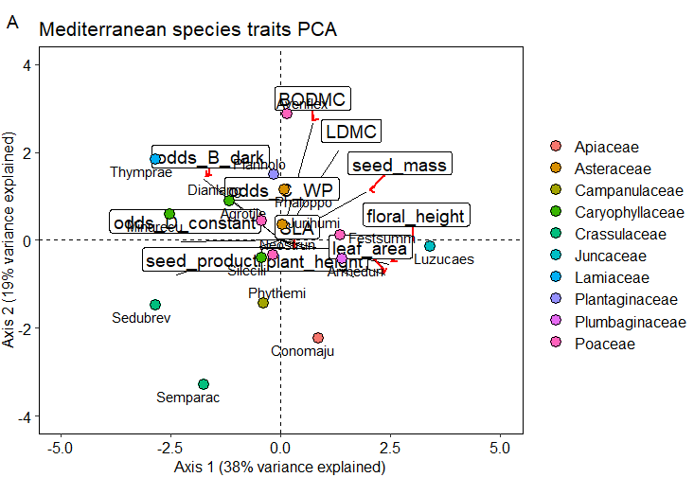
BODMC | 1.41 | 38.12 | 0.47 | 5.94 | 0.61 |  |  |  | BODMC | 1.83 | 23.20 | 16.24 | 11.97 | 0.68
odds_B_dark | 8.27 | 10.45 | 14.87 | 8.41 | 0.63 |  |  |  | odds_B_dark | 7.74 | 11.13 | 0.00 | 11.92 | 25.68
odds_C_WP | 5.46 | 7.48 | 0.99 | 32.85 | 4.70 |  |  |  | odds_C_WP | 4.89 | 11.85 | 35.07 | 0.47 | 0.05
odds_D_constant | 14.12 | 0.01 | 1.43 | 20.20 | 0.30 |  |  |  | odds_D_constant | 12.03 | 0.07 | 10.26 | 6.15 | 22.33

Eigen values
 | eigenvalue | percentage of variance | cumulative percentage of variance
 |  |  |  |  |  |  |  |  | eigenvalue percentage of variance cumulative percentage of variance
comp 1 | 4.06 | 36.94 | 36.94 |  |  |  |  |  | comp 1 4.20074510 38.1885919 38.18859
comp 2 | 2.07 | 18.80 | 55.73 |  |  |  |  |  | comp 2 2.13241225 19.3855659 57.57416
comp 3 | 1.41 | 12.80 | 68.53 |  |  |  |  |  | comp 3 1.11079812 10.0981647 67.67232
comp 4 | 1.10 | 9.98 | 78.50 |  |  |  |  |  | comp 4 1.08063240 9.8239309 77.49625
comp 5 | 0.82 | 7.45 | 85.95 |  |  |  |  |  | comp 5 0.85750372 7.7954883 85.29174
comp 6 | 0.62 | 5.66 | 91.61 |  |  |  |  |  | comp 6 0.60265868 5.4787152 90.77046
comp 7 | 0.31 | 2.86 | 94.47 |  |  |  |  |  | comp 7 0.33878520 3.0798654 93.85032
comp 8 | 0.29 | 2.60 | 97.07 |  |  |  |  |  | comp 8 0.30201425 2.7455841 96.59591
comp 9 | 0.22 | 2.00 | 99.07 |  |  |  |  |  | comp 9 0.21182303 1.9256639 98.52157
comp 10 | 0.063 | 0.574 | 99.641 |  |  |  |  |  | comp 10 0.08983269 0.8166608 99.33823
comp 10 | 0.040 | 0.359 | 100.000 |  |  |  |  |  | comp 11 0.07279457 0.6617688 100.00000

Correlations

 | seed_mass | seed_production | plant_height | floral_height | leaf_area | LDMC | SLA | BODMC | odds_B_dark | odds_C_WP | odds_D_constant
seed_mass | 1.00 | -0.65 | 0.13 | 0.30 | 0.50 | 0.42 | -0.03 | 0.40 | -0.36 | -0.08 | -0.33
seed_production | -0.65 | 1.00 | -0.32 | -0.59 | -0.54 | -0.30 | -0.06 | -0.40 | 0.17 | 0.24 | 0.62
plant_height | 0.13 | -0.32 | 1.00 | 0.61 | 0.44 | 0.15 | 0.41 | -0.06 | -0.13 | -0.27 | -0.36
floral_height | 0.30 | -0.59 | 0.61 | 1.00 | 0.63 | 0.36 | 0.00 | -0.03 | -0.43 | -0.38 | -0.58
leaf_area | 0.50 | -0.54 | 0.44 | 0.63 | 1.00 | 0.23 | -0.03 | -0.13 | -0.71 | -0.24 | -0.43
LDMC | 0.42 | -0.30 | 0.15 | 0.36 | 0.23 | 1.00 | -0.13 | 0.67 | -0.06 | 0.16 | -0.18
SLA | -0.03 | -0.06 | 0.41 | 0.00 | -0.03 | -0.13 | 1.00 | -0.13 | 0.12 | -0.01 | 0.21
BODMC | 0.40 | -0.40 | -0.06 | -0.03 | -0.13 | 0.67 | -0.13 | 1.00 | 0.32 | 0.01 | -0.26
odds_B_dark | -0.36 | 0.17 | -0.13 | -0.43 | -0.71 | -0.06 | 0.12 | 0.32 | 1.00 | 0.42 | 0.35
odds_C_WP | -0.08 | 0.24 | -0.27 | -0.38 | -0.24 | 0.16 | -0.01 | 0.01 | 0.42 | 1.00 | 0.49
odds_D_constant | -0.33 | 0.62 | -0.36 | -0.58 | -0.43 | -0.18 | 0.21 | -0.26 | 0.35 | 0.49 | 1.00

Med_redtraits
8 traits 21 species (without NAs) |  |  | Jasione laevis (leaves missing)
Contributions
 | Dim.1 | Dim.2 | Dim.3 | Dim.4 | Dim.5
seed_mass | 16.69 | 6.88 | 0.70 | 10.17 | 21.35
plant_height | 13.38 | 1.31 | 21.68 | 26.92 | 10.01
leaf_area | 23.87 | 1.42 | 0.44 | 2.08 | 26.98
LDMC | 9.31 | 24.20 | 6.29 | 0.05 | 13.22
SLA | 0.01 | 27.14 | 41.21 | 2.50 | 6.85
odds_B_dark | 14.90 | 6.94 | 5.13 | 31.58 | 6.18
odds_C_WP | 6.93 | 31.89 | 7.52 | 1.01 | 11.86
odds_D_constant | 14.93 | 0.24 | 17.04 | 25.69 | 3.55

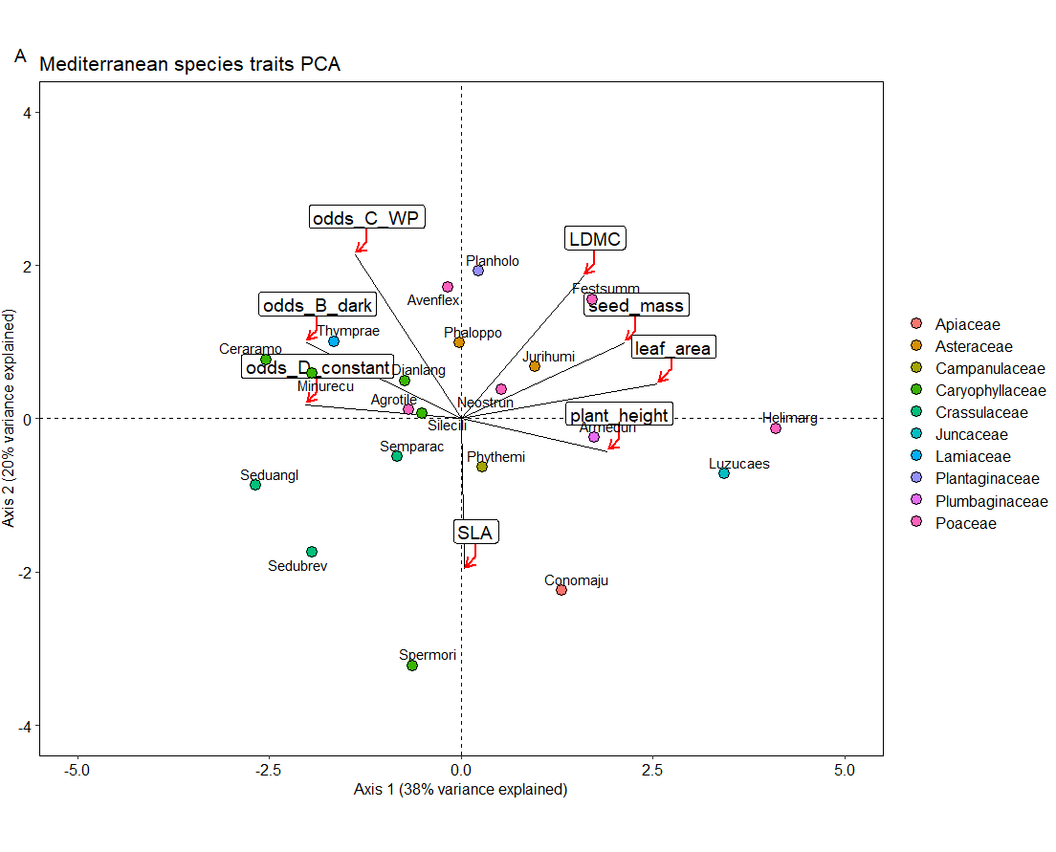
Eigen values
 | eigenvalue | percentage of variance | cumulative percentage of variance

comp 1 | 3.04 | 38.06 | 38.06
comp 2 | 1.59 | 19.85 | 57.91
comp 3 | 1.09 | 13.59 | 71.50
comp 4 | 0.85 | 10.58 | 82.08
comp 5 | 0.58 | 7.27 | 89.35
comp 6 | 0.40 | 5.01 | 94.36
comp 7 | 0.30 | 3.71 | 98.07
comp 8 | 0.15 | 1.93 | 100.00

Correlations

 | seed_mass | plant_height | leaf_area | LDMC | SLA | odds_B_dark | odds_C_WP | odds_D_constant
seed_mass | 1.00 | 0.26 | 0.57 | 0.53 | -0.05 | -0.37 | -0.10 | -0.34
plant_height | 0.26 | 1.00 | 0.55 | 0.30 | 0.27 | -0.17 | -0.26 | -0.38
leaf_area | 0.57 | 0.55 | 1.00 | 0.43 | -0.08 | -0.59 | -0.17 | -0.42
LDMC | 0.53 | 0.30 | 0.43 | 1.00 | -0.18 | -0.10 | 0.14 | -0.22
SLA | -0.05 | 0.27 | -0.08 | -0.18 | 1.00 | -0.11 | -0.25 | 0.20
odds_B_dark | -0.37 | -0.17 | -0.59 | -0.10 | -0.11 | 1.00 | 0.49 | 0.33
odds_C_WP | -0.10 | -0.26 | -0.17 | 0.14 | -0.25 | 0.49 | 1.00 | 0.44
odds_D_constant | -0.34 | -0.38 | -0.42 | -0.22 | 0.20 | 0.33 | 0.44 | 1.00

Med_plantraits
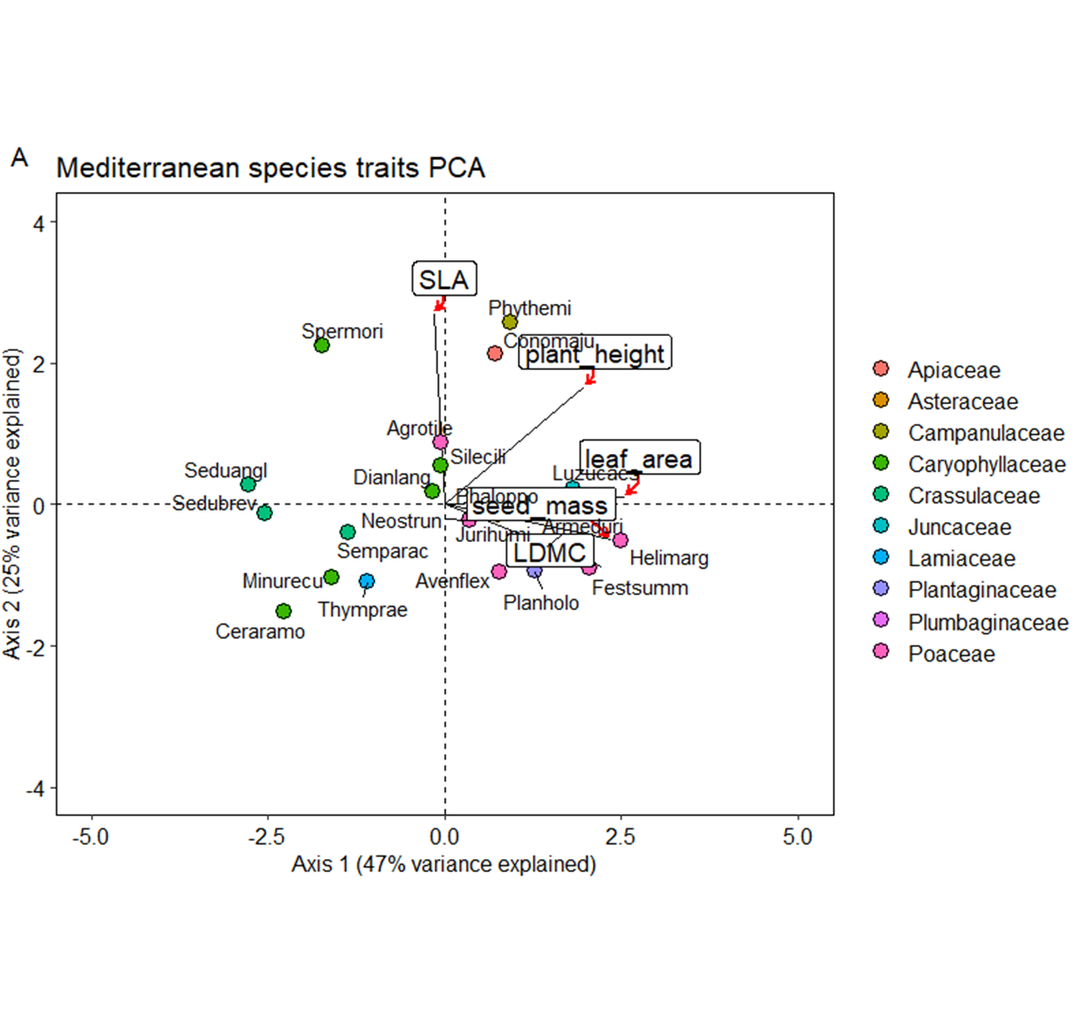
5 traits 21 species (without NAs) |  |  | Jasione laevis (leaves missing)
Contributions
 | Dim.1 | Dim.2 | Dim.3 | Dim.4 | Dim.5
seed_mass | 26.586 | 2.243 | 27.420 | 22.753 | 20.998
plant_height | 18.664 | 24.925 | 23.542 | 7.058 | 25.811
leaf_area | 30.985 | 0.089 | 12.692 | 16.405 | 39.829
LDMC | 23.661 | 7.029 | 10.080 | 53.783 | 5.447
SLA | 0.104 | 65.714 | 26.267 | 0.001 | 7.915

Eigen values
 | eigenvalue | percentage of variance | cumulative percentage of variance

comp 1 | 2.34 | 46.71 | 46.71
comp 2 | 1.23 | 24.60 | 71.31
comp 3 | 0.64 | 12.78 | 84.09
comp 4 | 0.52 | 10.48 | 94.57
comp 5 | 0.27 | 5.43 | 100.00

Correlations
 | seed_mass | plant_height | leaf_area | LDMC | SLA
seed_mass | 1.00 | 0.26 | 0.57 | 0.53 | -0.05
plant_height | 0.26 | 1.00 | 0.55 | 0.30 | 0.27
leaf_area | 0.57 | 0.55 | 1.00 | 0.43 | -0.08
LDMC | 0.53 | 0.30 | 0.43 | 1.00 | -0.18
SLA | -0.05 | 0.27 | -0.08 | -0.18 | 1.00

Tem_alltraits
14 traits 23 species (without Nas) |  |  |  |  |  |  |  |  |  |  |  |  | Seed production NA
Contributions |  |  |  |  |  |  |  |  |  |  |  |  | Galium pyrenaicum
 | Dim.1 | Dim.2 | Dim.3 | Dim.4 | Dim.5 |  |  | Dim.1 | Dim.2 | Dim.3 | Dim.4 | Dim.5
seed_mass | 8.16 | 0.89 | 24.36 | 0.67 | 3.77 |  | seed_mass | 8.00 | 0.04 | 0.62 | 19.24 | 46.71 | Floral height NA
seed_production | 8.68 | 14.42 | 11.69 | 1.50 | 5.41 |  | seed_production | 6.15 | 15.75 | 10.97 | 1.38 | 9.01 | Festuca rubra
plant_height | 19.16 | 7.29 | 0.59 | 2.08 | 1.57 |  | plant_height | 19.73 | 5.39 | 0.72 | 2.07 | 0.01
floral_height | 18.54 | 4.34 | 2.79 | 1.30 | 12.26 |  | floral_height | 20.40 | 2.18 | 1.02 | 5.59 | 2.09 | BODMC NA
leaf_area | 24.05 | 2.08 | 2.69 | 3.98 | 0.89 |  | leaf_area | 27.37 | 0.88 | 5.10 | 0.06 | 4.91 | Saxifraga conifera
LDMC | 5.49 | 0.68 | 2.97 | 22.28 | 47.96 |  | LDMC | 8.46 | 1.94 | 12.98 | 7.24 | 0.22
SLA | 0.36 | 14.16 | 19.78 | 2.04 | 8.38 |  | SLA | 1.93 | 3.14 | 24.08 | 10.86 | 20.24
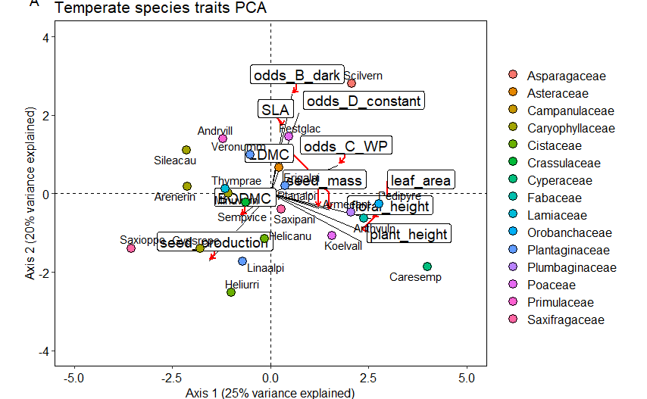
BODMC | 2.08 | 1.65 | 0.23 | 52.50 | 0.53 |  | BODMC | 1.18 | 4.67 | 9.91 | 33.27 | 7.95
odds_B_dark | 1.07 | 31.30 | 0.20 | 2.85 | 2.96 |  | odds_B_dark | 0.39 | 29.62 | 5.61 | 3.66 | 4.65
odds_C_WP | 10.58 | 2.61 | 17.71 | 5.17 | 15.02 |  | odds_C_WP | 6.36 | 8.82 | 25.85 | 0.04 | 0.08
odds_D_constant | 1.82 | 20.59 | 16.99 | 5.63 | 1.24 |  | odds_D_constant | 0.04 | 27.56 | 3.14 | 16.59 | 4.12

Eigenvalues
 | eigenvalue | percentage of variance | cumulative percentage of variance |  |  |  |  | eigenvalue | percentage of variance | cumulative percentage of variance
comp 1 | 3.12 | 28.41 | 28.41 |  |  |  | comp 1 | 2.79 | 25.34 | 25.34
comp 2 | 2.27 | 20.61 | 49.02 |  |  |  | comp 2 | 2.20 | 20.03 | 45.37
comp 3 | 1.68 | 15.28 | 64.30 |  |  |  | comp 3 | 1.57 | 14.25 | 59.62
comp 4 | 1.39 | 12.66 | 76.96 |  |  |  | comp 4 | 1.42 | 12.89 | 72.51
comp 5 | 0.78 | 7.11 | 84.07 |  |  |  | comp 5 | 0.89 | 8.09 | 80.60
comp 6 | 0.63 | 5.75 | 89.82 |  |  |  | comp 6 | 0.71 | 6.46 | 87.06
comp 7 | 0.47 | 4.23 | 94.05 |  |  |  | comp 7 | 0.47 | 4.25 | 91.32
comp 8 | 0.27 | 2.48 | 96.53 |  |  |  | comp 8 | 0.45 | 4.10 | 95.42
comp 9 | 0.17 | 1.51 | 98.04 |  |  |  | comp 9 | 0.28 | 2.55 | 97.97
comp 10 | 0.13 | 1.20 | 99.24 |  |  |  | comp 10 | 0.13 | 1.20 | 99.17
comp 11 | 0.08 | 0.76 | 100.00 |  |  |  | comp 11 | 0.09 | 0.83 | 100.00

 | seed_mass | seed_production | plant_height | floral_height | leaf_area | LDMC | SLA | BODMC | odds_B_dark | odds_C_WP | odds_D_constant
seed_mass | 1.00 | -0.48 | 0.38 | 0.24 | 0.33 | 0.23 | 0.18 | -0.17 | -0.13 | -0.03 | -0.21
seed_production | -0.48 | 1.00 | -0.25 | -0.14 | -0.18 | -0.18 | -0.49 | 0.11 | -0.51 | -0.15 | -0.34
plant_height | 0.38 | -0.25 | 1.00 | 0.72 | 0.65 | 0.40 | -0.09 | -0.02 | -0.12 | 0.17 | -0.11
floral_height | 0.24 | -0.14 | 0.72 | 1.00 | 0.70 | 0.20 | -0.21 | 0.01 | 0.02 | 0.30 | 0.08
leaf_area | 0.33 | -0.18 | 0.65 | 0.70 | 1.00 | 0.24 | -0.06 | -0.33 | -0.06 | 0.62 | 0.09
LDMC | 0.23 | -0.18 | 0.40 | 0.20 | 0.24 | 1.00 | 0.07 | 0.24 | 0.05 | 0.09 | -0.01
SLA | 0.18 | -0.49 | -0.09 | -0.21 | -0.06 | 0.07 | 1.00 | -0.23 | 0.38 | 0.01 | -0.01
BODMC | -0.17 | 0.11 | -0.02 | 0.01 | -0.33 | 0.24 | -0.23 | 1.00 | -0.13 | -0.32 | 0.09
odds_B_dark | -0.13 | -0.51 | -0.12 | 0.02 | -0.06 | 0.05 | 0.38 | -0.13 | 1.00 | 0.13 | 0.64
odds_C_WP | -0.03 | -0.15 | 0.17 | 0.30 | 0.62 | 0.09 | 0.01 | -0.32 | 0.13 | 1.00 | 0.51
odds_D_constant | -0.21 | -0.34 | -0.11 | 0.08 | 0.09 | -0.01 | -0.01 | 0.09 | 0.64 | 0.51 | 1.00

Tem_redtraits
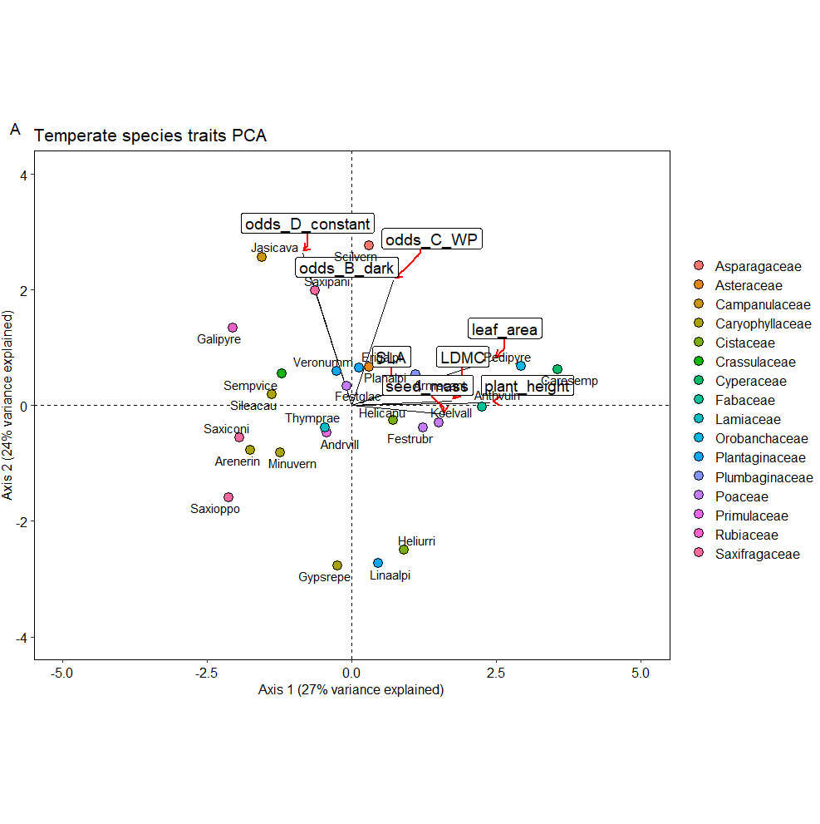
8 traits 26 species (without NAs)
Contributions
 | Dim.1 | Dim.2 | Dim.3 | Dim.4 | Dim.5
seed_mass | 13.41 | 0.15 | 0.33 | 43.72 | 41.04
plant_height | 29.34 | 0.01 | 0.11 | 8.09 | 1.55
leaf_area | 30.99 | 3.79 | 2.99 | 0.00 | 14.65
LDMC | 15.26 | 0.04 | 9.56 | 26.42 | 6.58
SLA | 2.31 | 0.31 | 46.72 | 17.32 | 17.53
odds_B_dark | 2.37 | 26.73 | 23.41 | 0.08 | 2.80
odds_C_WP | 2.65 | 27.82 | 16.26 | 3.35 | 8.05
odds_D_constant | 3.68 | 41.15 | 0.62 | 1.01 | 7.79

Eigenvalues
 | eigenvalue | percentage of variance | cumulative percentage of variance
comp 1 | 2.19 | 27.42 | 27.42
comp 2 | 1.88 | 23.51 | 50.92
comp 3 | 1.33 | 16.60 | 67.52
comp 4 | 0.92 | 11.48 | 79.00
comp 5 | 0.71 | 8.89 | 87.89
comp 6 | 0.59 | 7.37 | 95.26
comp 7 | 0.26 | 3.26 | 98.52
comp 8 | 0.12 | 1.48 | 100.00

Correlations
 | seed_mass | plant_height | leaf_area | LDMC | SLA | odds_B_dark | odds_C_WP | odds_D_constant
seed_mass | 1.00 | 0.28 | 0.27 | 0.12 | 0.12 | -0.14 | 0.12 | -0.14
plant_height | 0.28 | 1.00 | 0.60 | 0.40 | 0.07 | -0.09 | 0.03 | -0.12
leaf_area | 0.27 | 0.60 | 1.00 | 0.30 | 0.11 | -0.09 | 0.48 | -0.07
LDMC | 0.12 | 0.40 | 0.30 | 1.00 | 0.17 | 0.04 | -0.01 | -0.10
SLA | 0.12 | 0.07 | 0.11 | 0.17 | 1.00 | 0.32 | -0.08 | -0.15
odds_B_dark | -0.14 | -0.09 | -0.09 | 0.04 | 0.32 | 1.00 | 0.11 | 0.61
odds_C_WP | 0.12 | 0.03 | 0.48 | -0.01 | -0.08 | 0.11 | 1.00 | 0.51
odds_D_constant | -0.14 | -0.12 | -0.07 | -0.10 | -0.15 | 0.61 | 0.51 | 1.00

Tem_plantraits
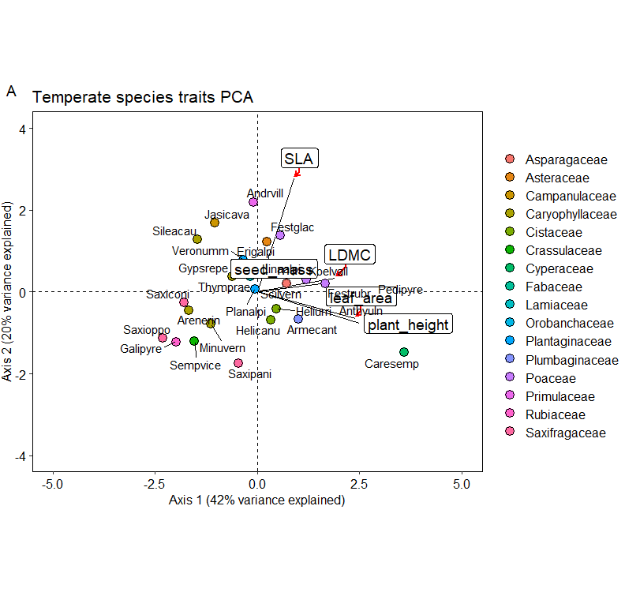
5 traits 26 species (without NAs)
Contributions
 | Dim.1 | Dim.2 | Dim.3 | Dim.4 | Dim.5
seed_mass | 12.996 | 0.497 | 67.600 | 18.791 | 0.116
plant_height | 33.086 | 6.619 | 0.937 | 3.776 | 55.583
leaf_area | 30.481 | 4.647 | 0.023 | 25.244 | 39.605
LDMC | 19.218 | 1.305 | 31.412 | 44.127 | 3.938
SLA | 4.218 | 86.933 | 0.028 | 8.062 | 0.759

Eigen values
 | eigenvalue | percentage of variance | cumulative percentage of variance

comp 1 | 2.08 | 41.69 | 41.69
comp 2 | 0.98 | 19.68 | 61.36
comp 3 | 0.89 | 17.72 | 79.08
comp 4 | 0.66 | 13.29 | 92.38
comp 5 | 0.38 | 7.62 | 100.00

Correlations
 | seed_mass | plant_height | leaf_area | LDMC | SLA
seed_mass | 1.00 | 0.28 | 0.27 | 0.12 | 0.12
plant_height | 0.28 | 1.00 | 0.60 | 0.40 | 0.07
leaf_area | 0.27 | 0.60 | 1.00 | 0.30 | 0.11
LDMC | 0.12 | 0.40 | 0.30 | 1.00 | 0.17
SLA | 0.12 | 0.07 | 0.11 | 0.17 | 1.00

